Coverpage
 |  | Security | Virtualisation | Networking | Services
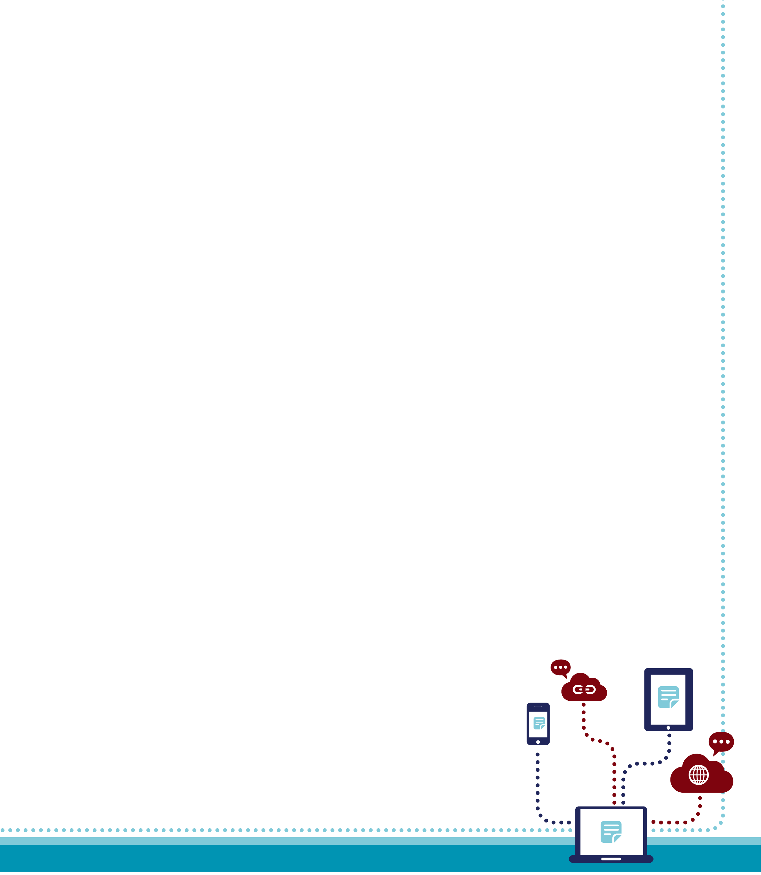

 |  | Infrastructure Design

 |  | Networking
 |  | Freemans Grattan Holdings

 | Version 1.1
 | 2020-07-16 17:21:48

Copyright Italik Limited 2016. This document may not be reproduced, disclosed to any third party, or utilised in any manner other than that specifically contemplated herein; either in whole or in part, without the prior permission of the authors. All rights reserved.

(Copyright)
ITALIK INTERNAL USE ONLY



 | Copyright Italik Limited 2016. This document may not be reproduced, disclosed to any third party, or utilised in any manner other than that specifically contemplated herein; either in whole or in part, without the prior permission of the authors. All rights reserved.

